Sheet1
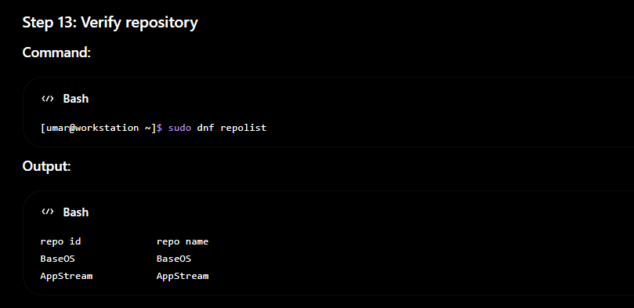
Create Repository Server using HTTP
Steps to Configure Web Server
Step 1. Install Apache Web Server

Step 2. Enable and Start Apache Service
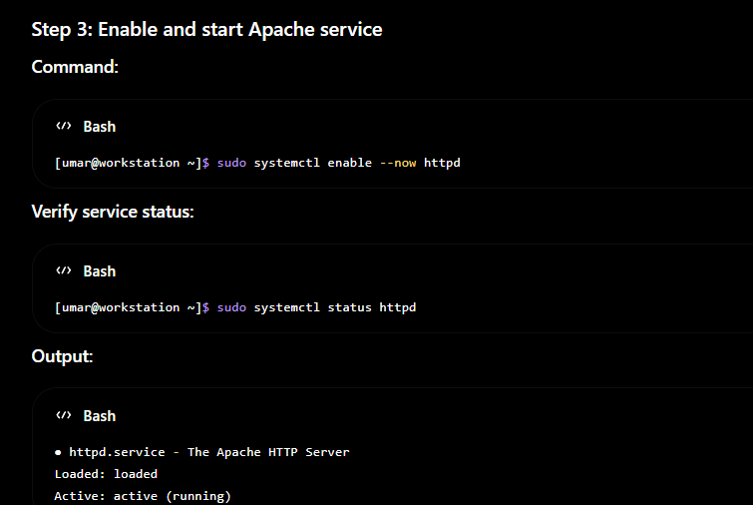
Step 3. Create Repository directory
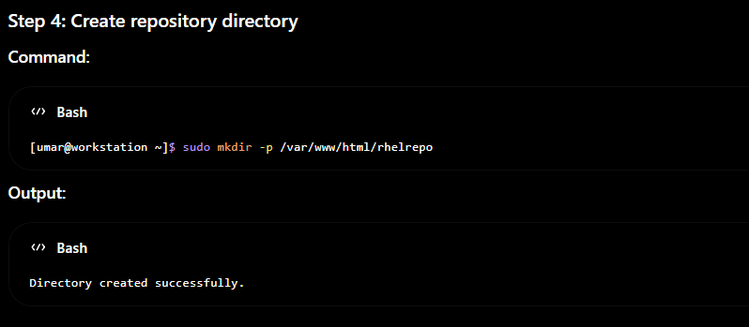
Step 4. Create Mount Point
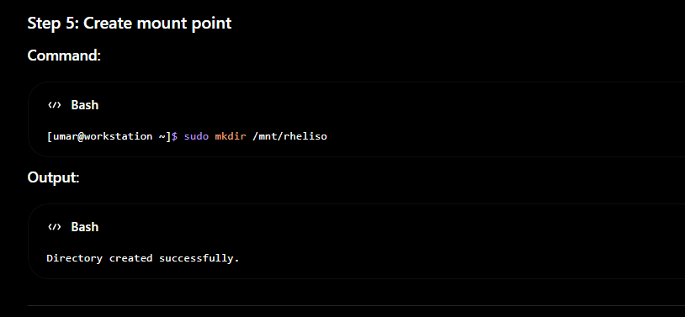
Step 5. Mount RHEL Installation media
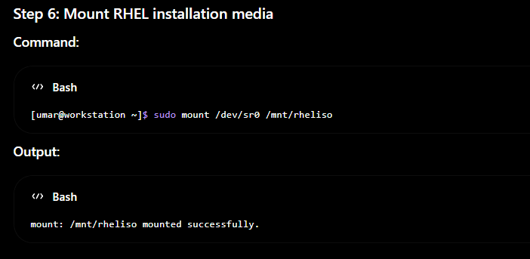
Step 6. Copy Repository Files
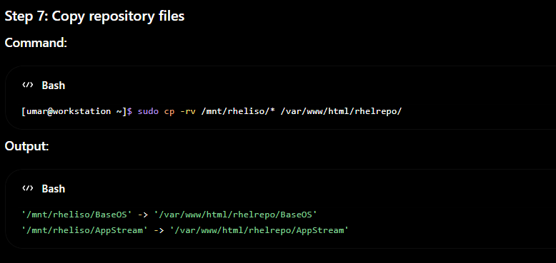
Step 7. Assign SELinux Permissions

Step 8. Restart Apache Service

Step 9. Create Repository File
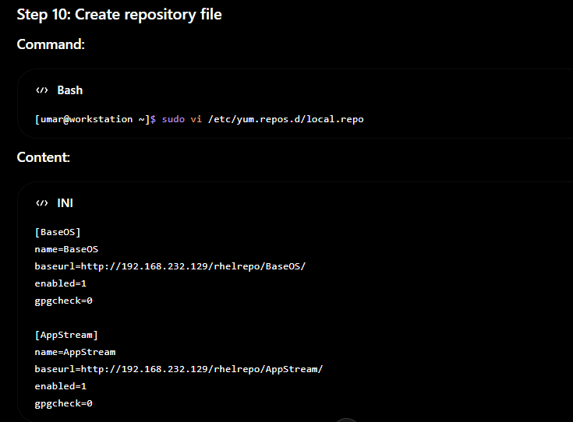
Step 10. Clean Repository Cache
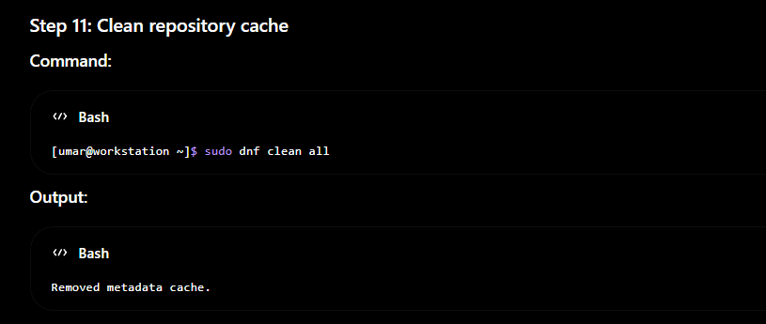
Step 11. Create repository cache
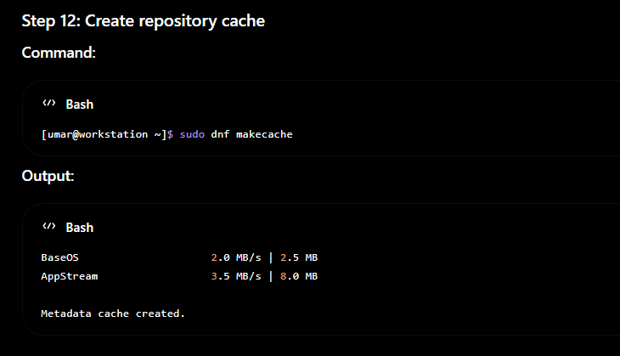
Step 12. Verify Repository

